Timing
 |  | Fold1 | Fold2 | Fold3 | Fold4 | Fold5 | Ave Train
Name | Model | train time | train time | train time | train time | train time
James | ResNet50 | 3538.514 | 4151.246 | 4036.593 | 4065.399 | 3874.938 | 3933.338
Youa | InceptionV3 | 4060.18 | 5710.668 | 3897.803 | 3979.024 | 5030.797 | 4535.6944
John | VGG19 | 5042.064 | 5050.532 | 6880.01 | 6881.836 | 5020.007 | 5774.8898
Youa | Xception | 5697.022 | 5709.966 | 8310.633 | 8784.363 | 5936.343 | 6887.6654
Niket | ResNet152 | 5264 | 5312.837 | 9088.849 | 9068.128 | 8959.884 | 7538.7396
Zumari | VGG16 | 5119.354 | 28175.849 | 5226.604 | 5159.348 | 5202.245 | 9776.68
All | ResNet152_LSTM | 11432.182 | 11292.936 | 20460.555 | 19730 | 11525.074 | 14888.1494
Ave Train Time
Name | Model | Ave Train Time
James | ResNet50 | 1.093
Youa | InceptionV3 | 1.260
John | VGG19 | 1.604
Youa | Xception | 1.913
Niket | ResNet152 | 2.094
Zumari | VGG16 | 2.716
All | ResNet152_LSTM | 4.136

Accuracy
 |  | Fold1 |  | Fold2 |  | Fold3 |  | Fold4 |  | Fold5 |  | Ave Train | Ave Test
Name | Model | train | test | train | test | train | test | train | test | train | test
Youa | InceptionV3 | 98.7 | 85.0 | 99.4 | 82.0 | 98.5 | 80.0 | 97.5 | 85.0 | 97.6 | 87.0 | 98.4 | 83.8
All | VGG16 | 98.6 | 80.6 | 98.5 | 97.3 | 99.0 | 92.5 | 98.9 | 94.3 | 96.7 | 83.1 | 98.3 | 89.5
Zumari | ResNet50 | 99.0 | 71.1 | 98.6 | 95.8 | 99.2 | 96.3 | 97.2 | 92.4 | 98.2 | 95.0 | 98.5 | 90.1
James | VGG19 | 98.7 | 97.0 | 97.4 | 79.4 | 98.4 | 91.1 | 97.2 | 92.4 | 97.4 | 91.7 | 97.8 | 90.3
John | Xception | 99.7 | 94.7 | 97.5 | 97.5 | 97.7 | 71.0 | 99.3 | 95.4 | 99.6 | 94.8 | 98.8 | 90.7
Youa | ResNet152 | 94.8 | 98.3 | 99.0 | 96.8 | 98.4 | 98.2 | 96.1 | 84.1 | 96.1 | 97.6 | 96.9 | 95.0
Niket | ResNet152_LSTM | 96.1 | 97.9 | 95.2 | 96.1 | 97.7 | 75.1 | 98.2 | 92.3 | 96.4 | 80.2 | 96.7 | 88.3

Test Model Accuracy
Average Test Accuracy | Fold1 | Fold2 | Fold3 | Fold4 | Fold5 | Ave Test
InceptionV3 | 85 | 82 | 80 | 85 | 87 | 83.80
VGG16 | 80.64 | 97.26 | 92.45 | 94.26 | 83.11 | 89.54
ResNet50 | 71.14 | 95.76 | 96.34 | 92.35 | 95.01 | 90.12
VGG19 | 96.97 | 79.35 | 91.1 | 92.35 | 91.66 | 90.29
Xception | 94.65 | 97.45 | 70.98 | 95.41 | 94.78 | 90.65
ResNet152 | 98.34 | 96.81 | 98.18 | 84.05 | 97.64 | 95.00
ResNet152_LSTM | 97.9 | 96.11 | 75.12 | 92.27 | 80.16 | 88.31
Ave. Test Accuracy
Model | Ave Test
InceptionV3 | 83.8
VGG16 | 89.5
ResNet50 | 90.1
VGG19 | 90.3
Xception | 90.7
ResNet152 | 95.0
ResNet152_LSTM | 88.3

 | ResNet152_LSTM | 96.1 | 97.9 | 95.2 | 96.1 | 97.7 | 75.1 | 98.2 | 92.3 | 96.4 | 80.2 | 96.7 | 88.3

Roc curve ResNet152
Fold 1 |  | Fold3 | Fold2 | Fold1
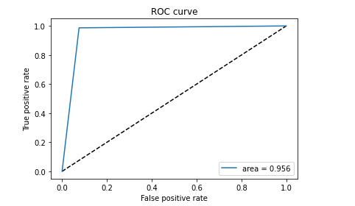
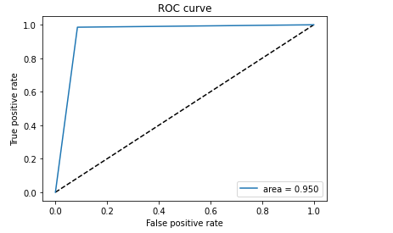
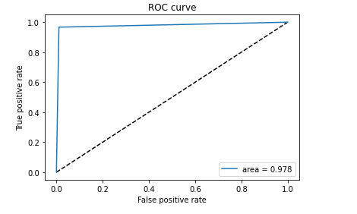
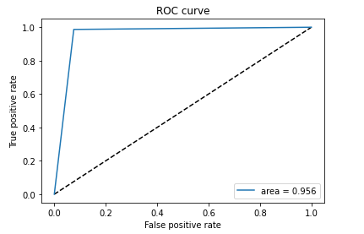

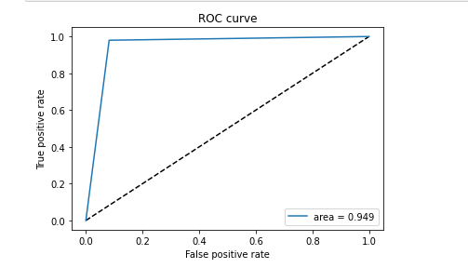
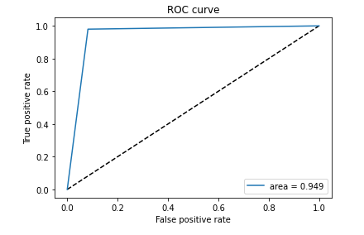
Fold 5
 |  |  | Fold5
 | Fold4
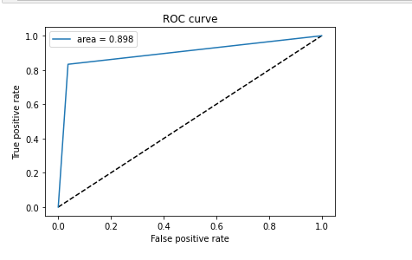

Ave ROC

The ROC curves, shown below, of the true positive and true negative rate of the combined classes of the test data for the champion model and the Resnet50_LSTM model. We realized that we should have separated the classes but ran out of time. The champion model has an overall better ROC average of 0.9462. Our model has an average ROC average of 0.915. The champion model continues to beat our model.

Roc curve ResNet152 LSTM
Fold 1 | Fold3 | Fold2
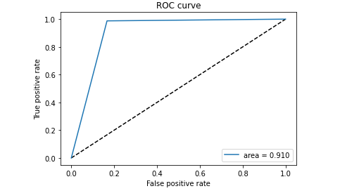
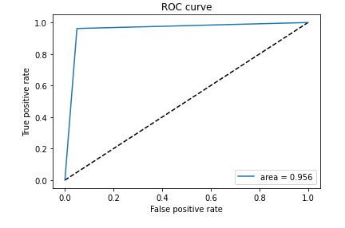
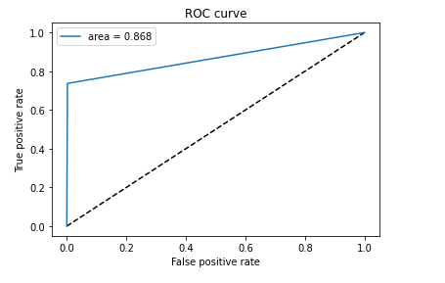

Fold 5 | Fold4
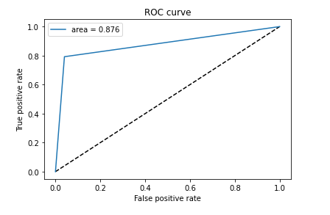
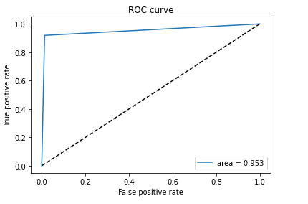

The ROC curves, shown below, of the true positive and true negative rate of the combined classes of the test data for the champion model and the Resnet50_LSTM model. We realized that we should have separated the classes but ran out of time. The champion model has an overall better ROC average of 0.9462. Our model has an average ROC average of 0.915. The champion model continues to beat our model.

